WD
Table 2

Weight detection |  | Display |  |  |  |  |  |  |  |  |  |  |  |  |  |  |  |  |  |  |  |  |  |  |  |  |  |  |  |  |  |  |  |  |  |  |  |  |  |  |  |  | Matrix LED | Sound | OPERATION | NOTES
 |  | Programs LED/Switches |  |  |  |  |  |  |  |  |  |  |  | Function LEDs |  |  |  |  |  |  |  |  |  |  |  |  |  |  |  |  |  |  |  |  |  |  |  |  |  |  | Child lock LED | LidLock | 7 Segments | Melody

 |  | WHITE | DARKS | LIGHT | COTTON | BEDDING | BABY CARE | ECO | JEANS | MIX | SENSITIVE | SPORTS WEAR | ALLERGY SHIELD | Water Level |  |  |  |  | Wash Time |  |  |  | Rinse |  |  |  | Spin |  |  |  | Stain Lvl |  |  | Water Temp. |  |  | Delay Start | POWDER DETERGENT | SOFTNER | GEL DETERGENT
 |  |  |  |  |  |  |  |  |  |  |  |  |  | lvl 1 | Lvl2 | Lvl 3 | lvl 4 | lvl 5 | 3 MIN | 9 MIN | 12 MIN | 18MIN | 1 TIME | 2 TIME | 3 TIME | Extra Rinse | 1 MIN | 5 MIN | 9 MIN | Extra Spin | Heavy | Normal | Light | Cold | Warm | Hot
Weight Detection | Before WD | Not affected |  |  |  |  |  |  |  |  |  |  |  | Once weight detection starts level boxes will form a pattern going up and down. Each LED will light up seperatly Starting from bottom to top then bottom to starting point and Repeat till weight is detected. One full pattern cycle takes cycle is takes 1.5SEC |  |  |  |  | Not affected |  |  |  |  |  |  |  |  |  |  |  |  |  |  |  |  |  |  |  |  |  |  |  | Displays approximate duration for Hoovered Program
 | During WD |  |  |  |  |  |  |  |  |  |  |  |  |  |  |  |  |  |  |  |  |  |  |  |  |  |  |  |  |  |  |  |  |  |  |  |  |  |  |  |  |  | no numerical value will appear |  |  | 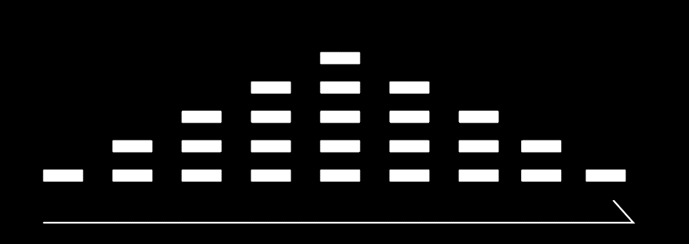
 | After WD |  |  |  |  |  |  |  |  |  |  |  |  | Detected Water Lvl LEDS ARE ON |  |  |  |  |  |  |  |  |  |  |  |  |  |  |  |  |  |  |  |  |  |  |  |  |  |  |  |  | Duration for hoovered Program + HEATING TIME for 3 sec then starts counting down. |  | After weight detected Operation starts and 7segments starts counting down | 1. IF water level detected if 5, all Water Level LEDs are ON. 2. IF water level detected if 4, the bottom 4 water lvl LEDs are ON. 3. IF Water level detected if 3, the bottom 3 water lvl LEDs are ON. 4. IF Water level detected if 2, the bottom 2 water lvl LEDs are ON. 5. IF Water level detected if 1, the bottom water lvl LED only is ON.

